Sheet1
Column1 | Column2 | Column3 | Column4 | Column5 | Column6 | Column7 | Column8 | Column9
Test case ID | Test case description | Test Step | Test Data | Expected result | Actual result | Pass/Fail | Author | Notes
TC01 | User should be able to log in successfully | 1. Enter the url | https://demo.applitools.com | User should be able to navigate to url | URL works as Expected | Pass | NC
 |  | 2. Verify the title "Log in Form" |  | Expected result: Log in Form | Log in form exists
 |  | 3. Validate username field is editable |  | username file should be editable | user is able to edit or click on username
 |  | 4. Validate password field is editable |  | password file should be editable | user is able to edit or click on password
 |  | 5. Enter the username | Enter username: admin | enter valid username | username working as expected
 |  | 6. Enter the password | Enter password: admin | enter valid password | password working as expected
 |  | 7. Press sign in |  | sign in should be clickable | user is able to click on sign in
 |  | 8. Verify customer name |  | name should be Jack Gomez | Jack Gomez fould as expected
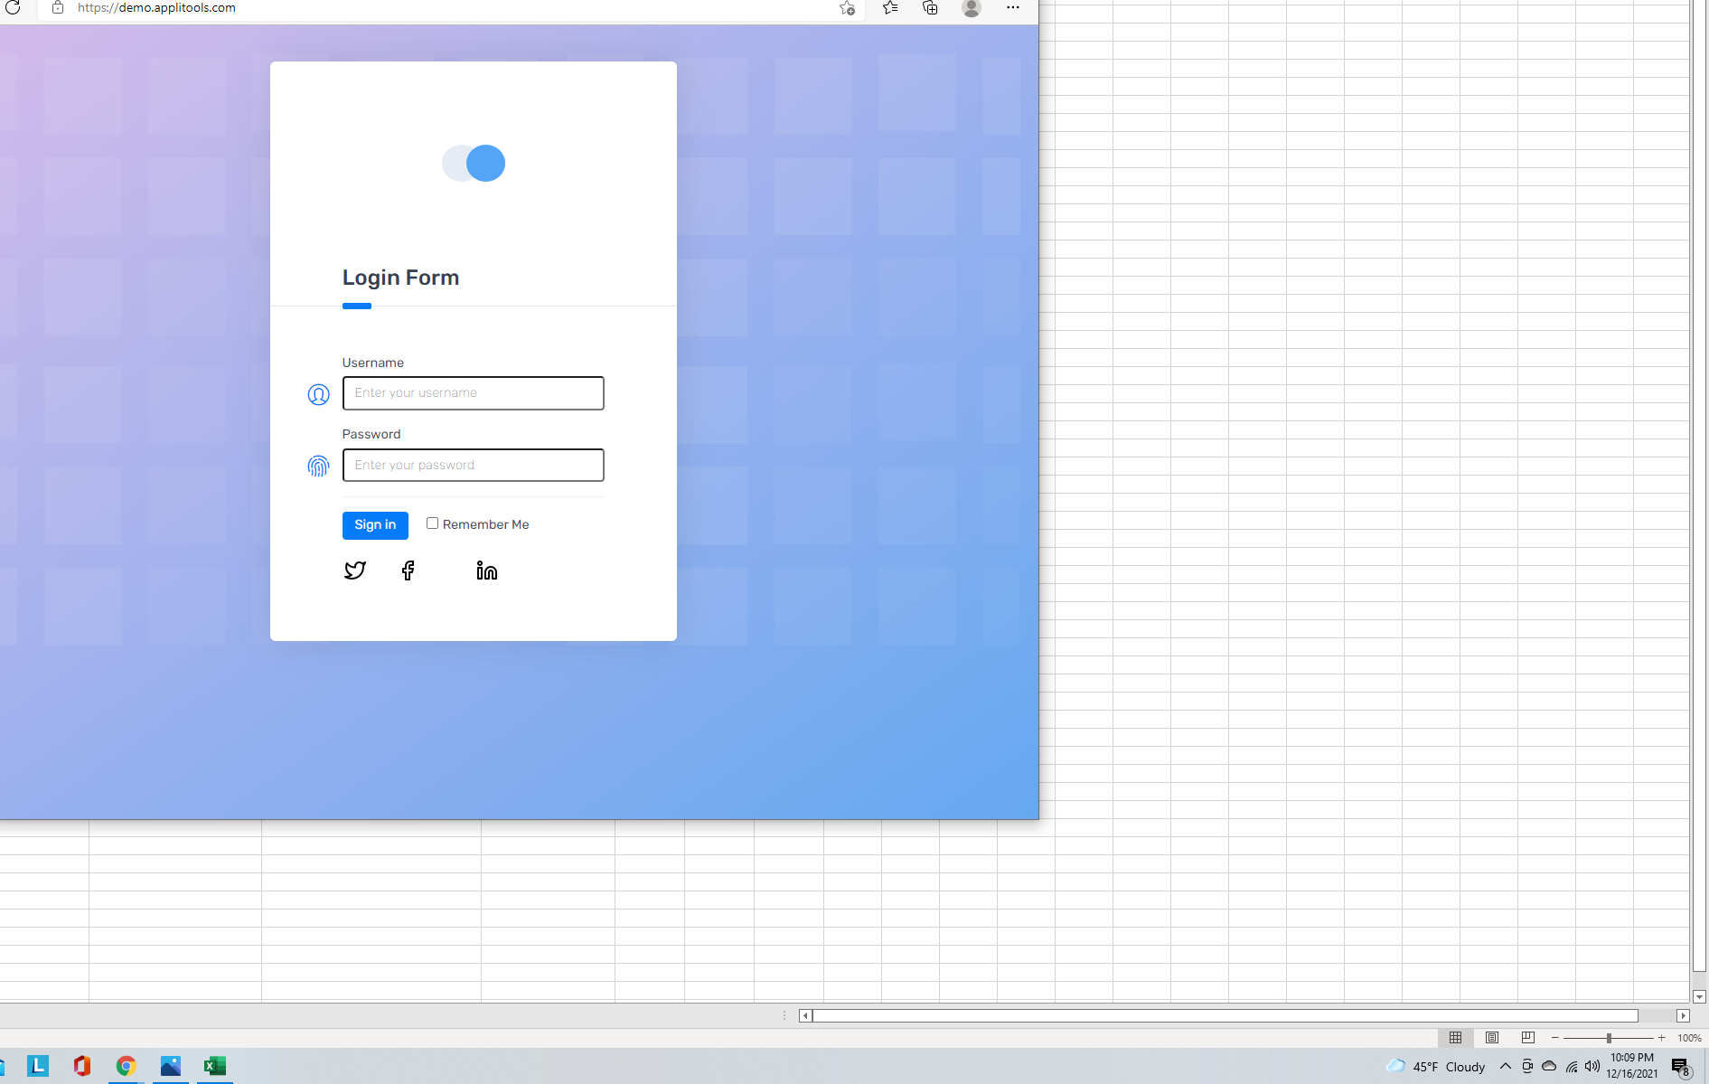
 |  | 8. The user should not be able to do right click on the "Remember Me"

TC02 | Sign in with invalid characters | 1. Enter the url | https://demo.applitools.com | User should be able to navigate to url | URL works as Expected | Pass | NC
TC03 | Sign in with blank username and password | 2. Verify the title "Log in Form" |  | Expected result: Log in Form | Log in form exists

